Sheet1
1. Performed data checking
a. replace the outliers such as 98, 99, 999 as Nas and remove them.
b. remove values that are out of range in race, drace, ed, and ded
c. Factor categorical variables with more than 1 factor levels.

2. Split the data into training and validation sets - 80%:20%
a. use 80% for model selection process
b. Create a full model based on all the predictors
* There are 3 types of model that are created - forward selection, backward selection and variable selection (forward + backward)
* Criteria for the best model: 1. AIC 2. F-test 3. Cross-validation

1. AIC
Model | AIC | R-adjusted | Multiple R-squared | Regression equation
Forward | 2570.89 | 0.3216 | 0.3591 | wt...7 ~ gestation + smoke + ht + drace + parity + dht + id
Backward | 2575.5 | 0.323 | 0.3691 | wt...7 ~ id + gestation + parity + ht + drace + dht + time
Variable | 2575.5 | 0.323 | 0.3691 | wt...7 ~ id + gestation + parity + ht + drace + dht + time
* Forward model has the lowest AIC among those 3 models

2. F-test
Model 1: wt...7 ~ gestation + smoke + ht + drace + parity + dht + id
Model 2: wt...7 ~ id + gestation + parity + ht + drace + dht + time
 | Res.Df | RSS | Df | Sum of Sq | F | Pr(>F)
1 | 444 | 98574
2 | 438 | 97040 | 6 | 1534.5 | 1.1544 | 0.3299
* Since the p-value = 0.3299, we should reject model 2 (variable model) and stick with model 1 (forward model)

3. Cross validation
Ruyue will conduct the test and provide the result

MODEL ASSUMPTIONS

There are 4 assumptions tested for both models.
Forward Model
1. Normality assumption
We have used Shapiro-Wilk normality test
p-value = 0.5073
*normally distributed
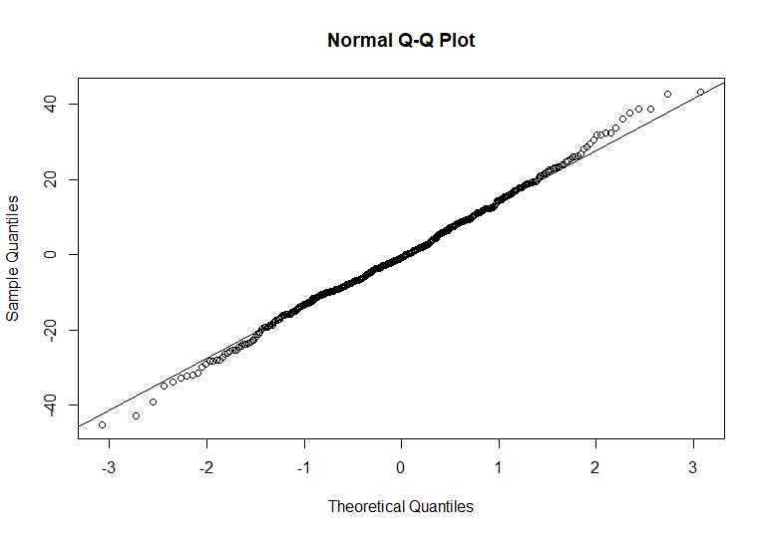

2. Heteroscedasticity Tests
null hypothesis is that all observations have the same error variance, i.e. errors are homoscedastic
we used two tests, Breusch-Pagan Test and Variance Score Test
Breusch-Pagan Test p-value = 0.3148
Variance Score Test p-value = 0.63857
The variance of the residuals are assumed to be constant (i.e. independent) over the values of the response (fitted values)

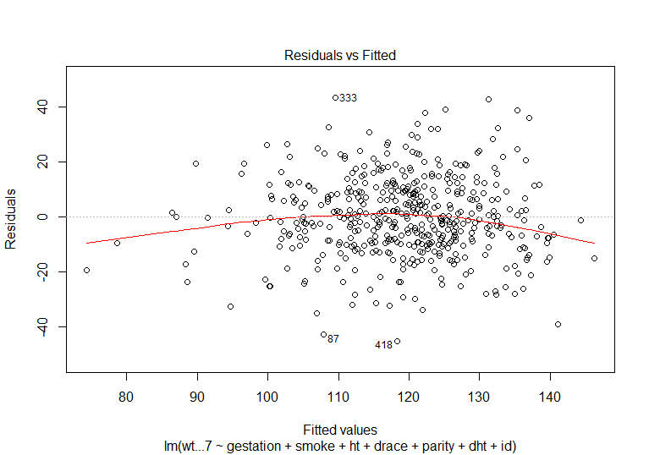

3. Autocorrelation Tests
test whether the regression residuals are not autocorrelated
we used Durbin-Watson test
p = 0.59, hence the errors are not correlated.

4. Multicollinearity Tests
to test whether all the variables are multicollinear
 | GVIF | Df | GVIF^(1/(2*Df))
gestation | 1.119014 | 1 | 1.057835
smoke | 1.194889 | 3 | 1.03012
ht | 1.253705 | 1 | 1.11969
drace | 1.6024 | 9 | 1.026541
parity | 1.685905 | 10 | 1.026459
dht | 1.320853 | 1 | 1.149284
id | 1.168978 | 1 | 1.081193
All variables have GVF < 10, hence they are multicollinear

Variable Model
1. Normality assumption
We have used Shapiro-Wilk normality test
p-value = 0.554
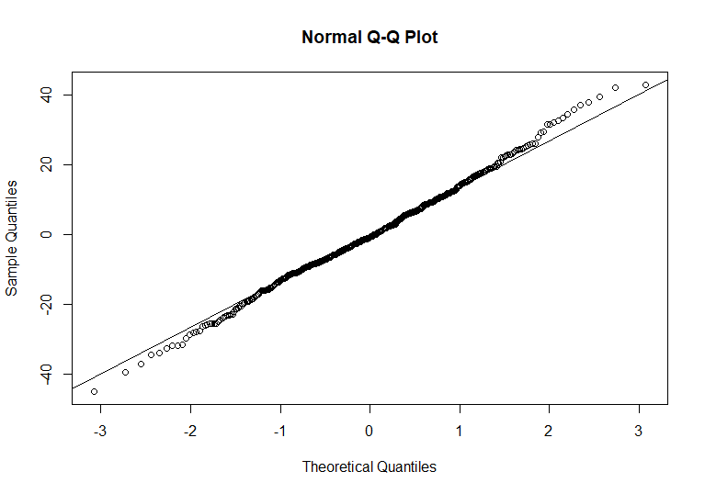

2. Heteroscedasticity Tests
null hypothesis is that all observations have the same error variance, i.e. errors are homoscedastic
we used two tests, Breusch-Pagan Test and Variance Score Test
Breusch-Pagan Test p-value = 0.537
Variance Score Test p-value = 0.70392
The variance of the residuals are assumed to be constant (i.e. independent) over the values of the response (fitted values)

3. Autocorrelation Tests
test whether the regression residuals are not autocorrelated
we used Durbin-Watson test
p = 0.646, hence the errors are not correlated.

4. Multicollinearity Tests
to test whether all the variables are multicollinear
 | GVIF | Df GVI | F^(1/(2*Df))
id | 1.174807 | 1 | 1.083885
gestation | 1.148146 | 1 | 1.071516
parity | 1.859769 | 10 | 1.031509
ht | 1.279392 | 1 | 1.131102
drace | 1.844979 | 9 | 1.034611
dht | 1.362824 | 1 | 1.167401
time | 1.61812 | 9 | 1.027098
All variables have GVF < 10, hence they are multicollinear

